Solar PV
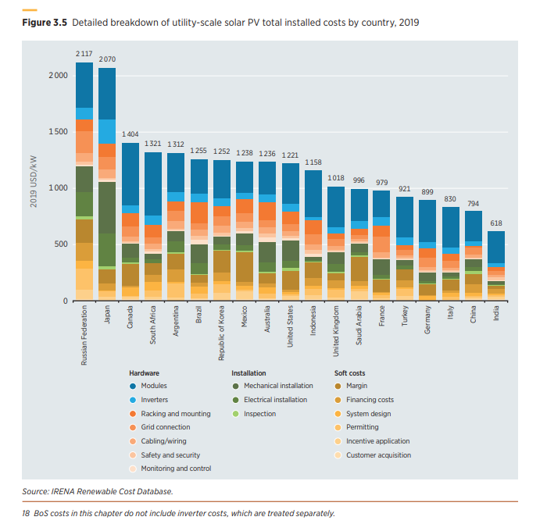
Soft cost pixels | 31
Total pixels | 180

Share of soft costs | 0.17222222222

